Agriculture Emissions
Emission by Agriculture

 | 1990 | 1991 | 1992 | 1993 | 1994 | 1995 | 1996 | 1997 | 1998 | 1999 | 2000 | 2001 | 2002 | 2003 | 2004 | 2005 | 2006 | 2007 | 2008 | 2009 | 2010 | 2011 | 2012 | 2013 | 2014 | 2015 | 2016
Solomon Islands Emissions (CO2 Eq) Agriculture Total | 52.19 | 53.64 | 54.1 | 54.61 | 53.89 | 54.01 | 53.91 | 53.61 | 52.54 | 54.03 | 55.41 | 53.5 | 53.79 | 54.69 | 56.9 | 58.14 | 59.09 | 60.06 | 61.14 | 61.34 | 61.54 | 61.28 | 62.33 | 63.33 | 64.06 | 64.73 | 65.45

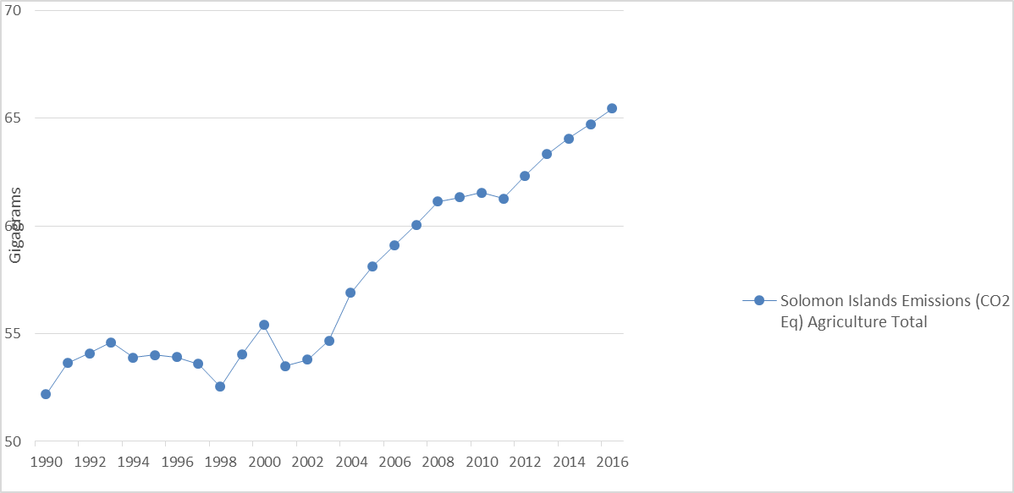

Source: http://www.fao.org/faostat/en/#country/25

Emission by sub-sectors
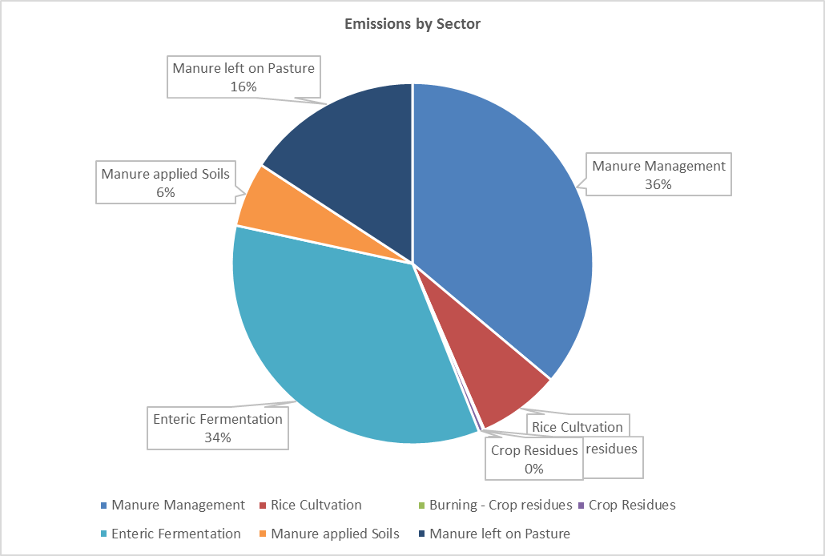
Emissions by Sector (CO2 equivalent)

Manure Management | 36.1
Rice Cultvation | 7.4
Burning - Crop residues | 0.1
Crop Residues | 0.4
Enteric Fermentation | 34.4
Manure applied Soils | 5.8
Manure left on Pasture | 15.8

