Sheet1
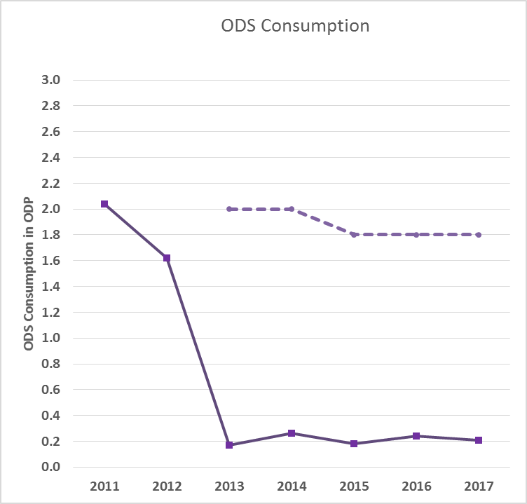
Year | 2011 | 2012 | 2013 | 2014 | 2015 | 2016 | 2017
HCFCs | 2.04 | 1.62 | 0.17 | 0.26 | 0.18 | 0.24 | 0.21
 |  |  | 2.00 | 2.00 | 1.80 | 1.80 | 1.80

