Sheet1
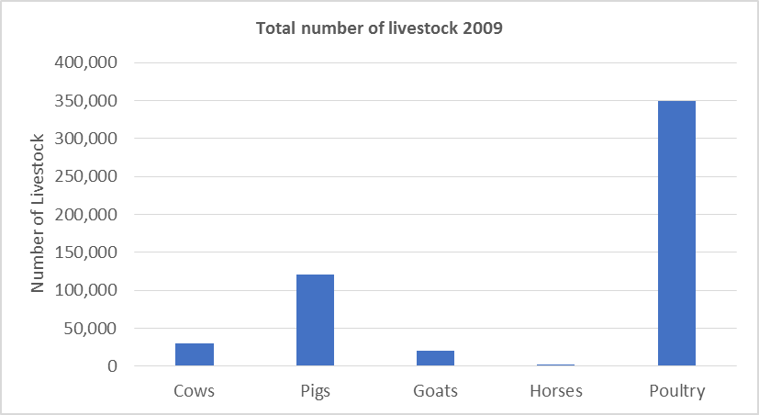
Table x: Total numbers of livestock Solomon Islands 2009 (2009 Census)

 | Cows | Pigs | Goats | Horses | Poultry
All Solomon Islands | 30,363 | 120,971 | 20,222 | 2,441 | 349,991

